1. Title Page
[Instacart Grocery Basket Analysis]

Project Name: Instacart Grocery Basket Analysis
Date:08/20/2023
Analyst Name: Guillaume Ndatabaye

Contents:
Population Flow
Consistency checks
Wrangling steps
Column derivations
Visualizations
Recommendations

Remarks: Instacart is a real company that makes its data available online. In this project however the customer data we used as well as the “prices” column in the products data set were made up for the purpose of the course.

2. Population Flow
Population flow

Exclusion flag
Condition: max_order <= 5(Low_Activity Customers)
Obervations to be removed: 2,233,435
Final total count of order_products_all:30,171,424

Orders_products_combined
Orders_products_all
Orders_products_merged
Total rows: 32,434,489
Total columns: 11
Total rows: 32,404,589
Total columns: 14
Total rows: 32,404,589
Total columns: 32

1.) The grey boxes in the first row of the population flow represent the original data sets as they were when you downloaded them. In the Total fields you need to add the count of the rows when you imported the data set into Jupyter.
2.) The second row of boxes (coloured) represents the data sets after you manipulated them, e.g., removed missing values and duplicates. In the Total fields you need to add the count of the rows after conducting these operations. This offers a visual oveview of how the data flows throughout the data consistency checks.
3.) The third row, where also the arrows are coloured, represents the merges you performed between the datasets. In the Total fields you need to add the count of the rows in the merged datasets, so that you end up with the final dataset (in the red box). Keep in mind the final dataset should be without exclusions (based on the exclusion flag).

3. Consistency checks
 |  |  |  | Title page
Consistency checks

Dataset | Missing values | Missing values treatment | Duplicates
orders | 206,209 rows in days_since_prior column | The values were left untouched | No duplicates found
products | 16 missing values in the Product_name column | The values were dropped to create a clean dataframe | 5 duplicates found
orders_products_prior | No missing values found | No missing values found | No duplicates found
customers | 11259 values were missing in the First name column | The values were left untouched as the represented only 4.64% of the data | No duplicates found

4. Wrangling steps
Wrangling steps

Columns dropped | Columns renamed | Columns' type changed | Comment/Reason
"eval_set" column |  |  | Not need to complete our analysis
 | "order_dow" to "orders_day_of_the_week" |  | Better naming/Ease of understanding
 | "Surnam" to " Last Name" |  | Ease of understanding
 | "STATE" to "State" |  | Better spelling
 | "date_joined" to "Date_joined" |  | Better spelling
 | "n_dependants" to "Dependants" |  | Ease of understanding
 | "fam_status" to "Marital_status" |  | Better naming/Ease of understanding
 | "income" to "Income" |  | Better spelling
First Name |  |  | Adhering to PII privacy
Last Name |  |  | Adhering to PII privacy

5. Column derivations
Column derivations and aggregations

In this tab you should add tables below that the frequences of flags/label variables that you produced after deriving them. NB: don't do this for continuous variables, only for flags.
Dataset | New column | Column/s it was derived from | Conditions | Frequency of confition flag
df_ords_prods_merged | "price_range_loc" | "prices" | if price is <= 5: then "Low-range product" if price is > 5 and <= 15 then "Mid-range product". if price is > 15 then "High range" | Low-range product 10126321 Mid-range product 21860860 High-range product 417678
df_ords_prods_merged | "Busiest_day" | "orders_day_of_the_week" | if value is 0 then. "Busiest day" if value is 4 then "Least busy" If value is anything else then "Regularly busy" | Busiest day 6204182 Least busy 3783802 Regularly busy 22416875
df_ords_prods_merged | "Busiest_days" | "orders_day_of_the_week" | if value is 0 or 1 then "Busiest days" if value is 4 or 3 then "Slowest days" if value is anything else the "Regular days" | Busiest days 11864412 Slowest days 7624336 Regular days 12916111
df_ords_prods_merged | "busiest_period_of_day" | "order_hour_of_day" | if hour in (10,11,14,15,13,12,16,9) then "Most orders". if hour in (23,6,0,1,5,2,4,3) then "Fewest orders". if hour in anything else then "Average orders" | Most orders 21118071 Fewest orders 1289137 Average orders 9997651
ords_prods_merge | "max_order" | grouping "user_id" and "order_number" | Using the groupby function
ords_prods_merge | "loyalty_flag" | "max_order" | if max_order is > 40 then "Loyal customer" if max_order is <= 40 and > 10 then "Regular customer" if max_order is <= 10 then "New customer" | Loyal customer 10284093 Regular customer 15876776 New customer 6243990
ords_prods_merge | "mean_price" | grouping "user_id" and "prices" | Using the groupby function
ords_prods_merge | "spending_flag" | "mean_price" | if mean_price is >= 10 then "High Spender". if mean_price is < 10 then "Low Spender" | High Spender 634245 Low spender. 31770614
ords_prods_merge | "median_days" | grouping "user_id" and "days_since_prior_order" | Using the groupby function
ords_prods_merge | "frequency_flag" | "median_days" | if median_days is > 20 then "Non-frequent customer". if median_days is > 10 and <= 20 then "Regular customer" if median_days is <= 10 then "Frequent customer" | Non-frequent customer 3636437 Regular customer 7208564 Frequent customer 21559853
cust_ords_prods1 | "Region" | "State" | Creating region from state column based on the Census Bureau-designated areas on Wikipedia
cust_ords_prods1 | "activity_loc" | "max_order" | if max_order is <= 5 then "low activity customer" if max_order is > 5 then. "high activity customer" | Low activity customer 70584 High activity customer 929416
df_high | "Age_group" | "Age" | if age is >= 35 and < 60 then "Middle_Age" if age is < 35 then "Young_Adult" if age is >= 60 then "Senior" | Middle_Age 368487 Young_Adult 250242 Senior 310687
df_high | "Income_group" | "Income" | if Income is > 56587 and <=142953 then "Medium income" if Income is <= 56586 then "Low income". if Income is > 142953 then "High income" | Medium income 644240 Low income 142364 High income 142812
df_high | "snacks_customer" | department_id | if department_id is ==19 then "Snacks user" if department_id is !=19 then "Snacks non-user" | Snacks user 84081 Snacks non-user 845335
df_high | "Marital_status_Flag" | "Marital_status" | if Marital_status is(divorced/widowed, living with parents and siblings, single) and Dependants ==0 then "Single WITHOUT Dependants" if Marital_status is(divorced/widowed, living with parents and siblings, single) and Dependants >= 1 then "Single WITH Dependants" if Marital_status is ==married and Dependants ==1 then "Married WITHOUT Dependants" if Marital_status is ==married and Dependants is > 1 then "Married WITH Dependants" | Single WITHOUT Dependants 224252 Single WITH Dependants. 54503 Married WITHOUT Dependants 205267 Married WITH Dependants 445394

6. Visualizations
Visualisations

In this tab you should include all the visualtions from Exercises 4.9 and 4.10, alongside the questions from the project brief that they answer. Include any commentary on the relationship between different variables.

Q1. The sales team needs to know what the busiest days of the week and hours of the day are (i.e., the days and times with the most orders) in order to schedule ads at times when there are fewer orders.

Thebar chart below shows that the busiest days of the week are Saturday and Sunday with the remaining days having an even spread. (The X- axis representing the days of the week and the Y- axis representing the spread of orders across the days). |  |  | The histogram below indicates that there is a spike in the orders made from 9 AM and 4PM. The orders start to slow down again in the evening after 5pm until 8PM with (the X- axis representing the hours of the day and the Y- axis representing the orders frequency).



Order frequency by hour of the day
Orders paced by day of the week

Legends
0 - Saturday
1 - Sunday
2 - Monday
3 - Tuesday
4 - Wednesday
5 - Thursday
6 - Friday

Q2. They also want to know whether there are particular times of the day when people spend the most money, as this might inform the type of products they advertise at these times.

Customers spend the most money during the earliest the hours of the day. Starting at midnight but they spend significantly between the hours of 2 AM and 5 AM. The hours with the least amount of money spent are from 9 AM to 10 AM

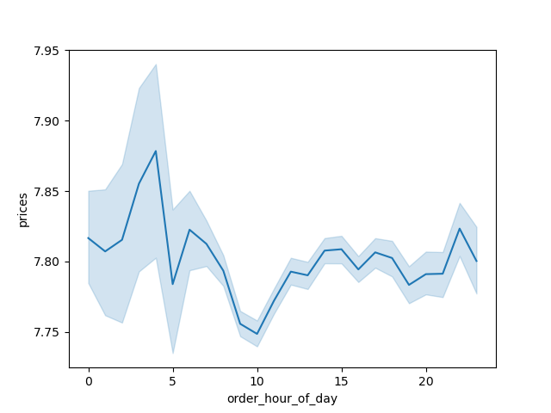
Amount spent on orders by hour of the day

Peak hours
 | Legends 0 - 12 AM 5 - 5 AM 10 -10 AM 15 - 3 PM 20 - 8 PM The legends are grouped in 5 bins. 24 total hours of the day.

Q3. Instacart has a lot of products with different price tags. Marketing and sales want to use simpler price range groupings to help direct their efforts.

This is the frequency of the price range and we get insight that most products being bought are under the price of $15. We created a price range grouping to visualize it better as displayed onto the bar chart on the right |  |  | The conditions for the price range were as follow: 'if price is <= 5: then"Low-range product".if price is > 5 and <= 15 then "Mid-range product". if price is > 15 then"High range". The Mid-Range product make up 67.4% of the sales made whilst Low-range and High range products make up 31.2% and 1.28% respectively.


Frequency of Product price point
Frequency of Product Price-Range
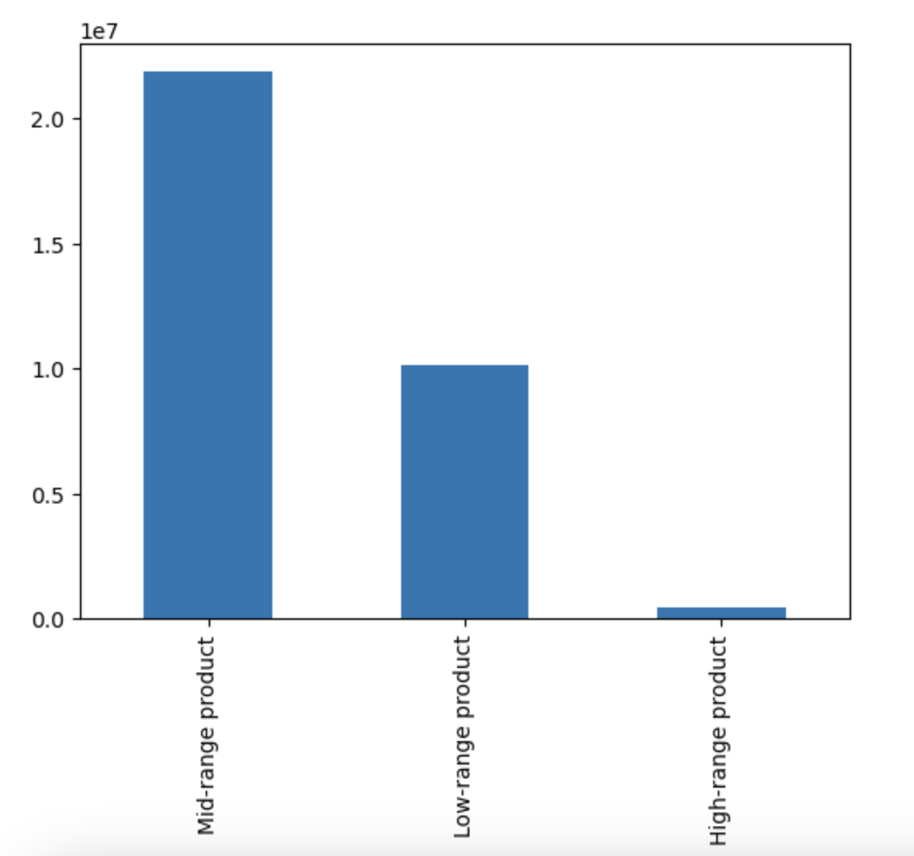

Product Price

Q4. Are there certain types of products that are more popular than others? The marketing and sales teams want to know which departments have the highest frequency of product orders.

Produce products are the highest selling category with a significant margin over other products followed by the dairy-eggs and snacks |  |  | The married customers WITH Dependants demographic make up a significantly large number for the sales.

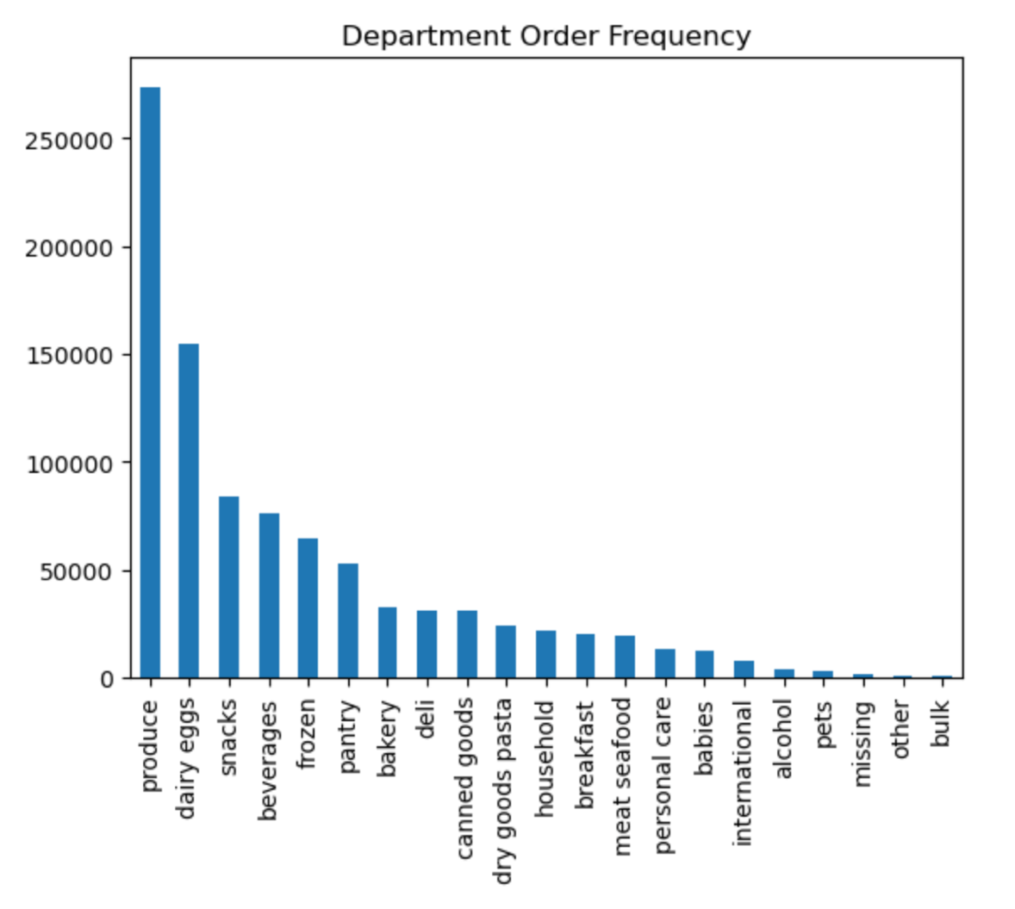
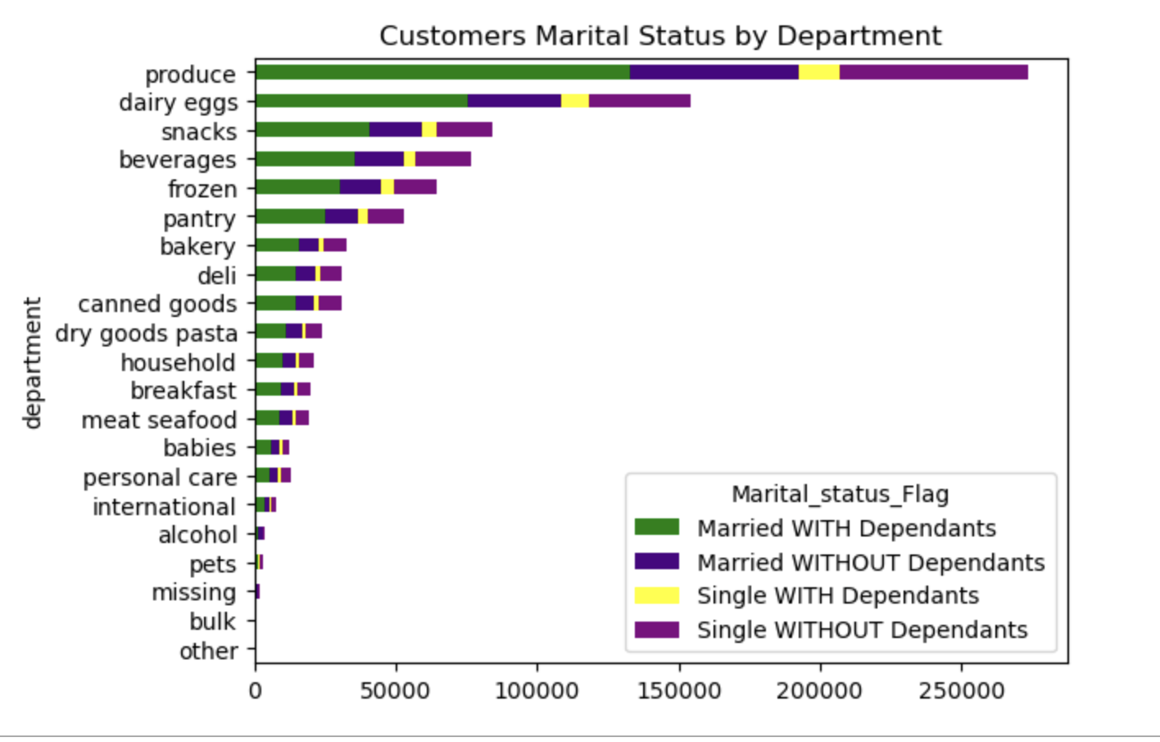

Q5. What’s the distribution among users in regards to their brand loyalty? Are there differences in ordering habits based on a customer’s loyalty status?

We created a loyalty flag and the chart below indicates the distribution of orders. The majority of instacart customers are Regulars and Loyasl followed by new customers. There are 15876776 Regular customer making up 48.9% of the customer base. The Loyal customer comes in second place wih 10284093 customer count accounting for 31.7% of the customer base. In last place as expected comes the new customers with a 6243990 customer count making up 19.2% of the customer base. | Conditions of Loyalty flag |  |  |  | The Regular customers make the most orders in all the departments as to expected by their large customer base count. They are followed by Loyal and new customers respectively.

 | Regular Customers (Making 10 to 40 orders)
 | Loyal customers (Making 40 or more orders)
 | New customers (Making 10 or less orders)

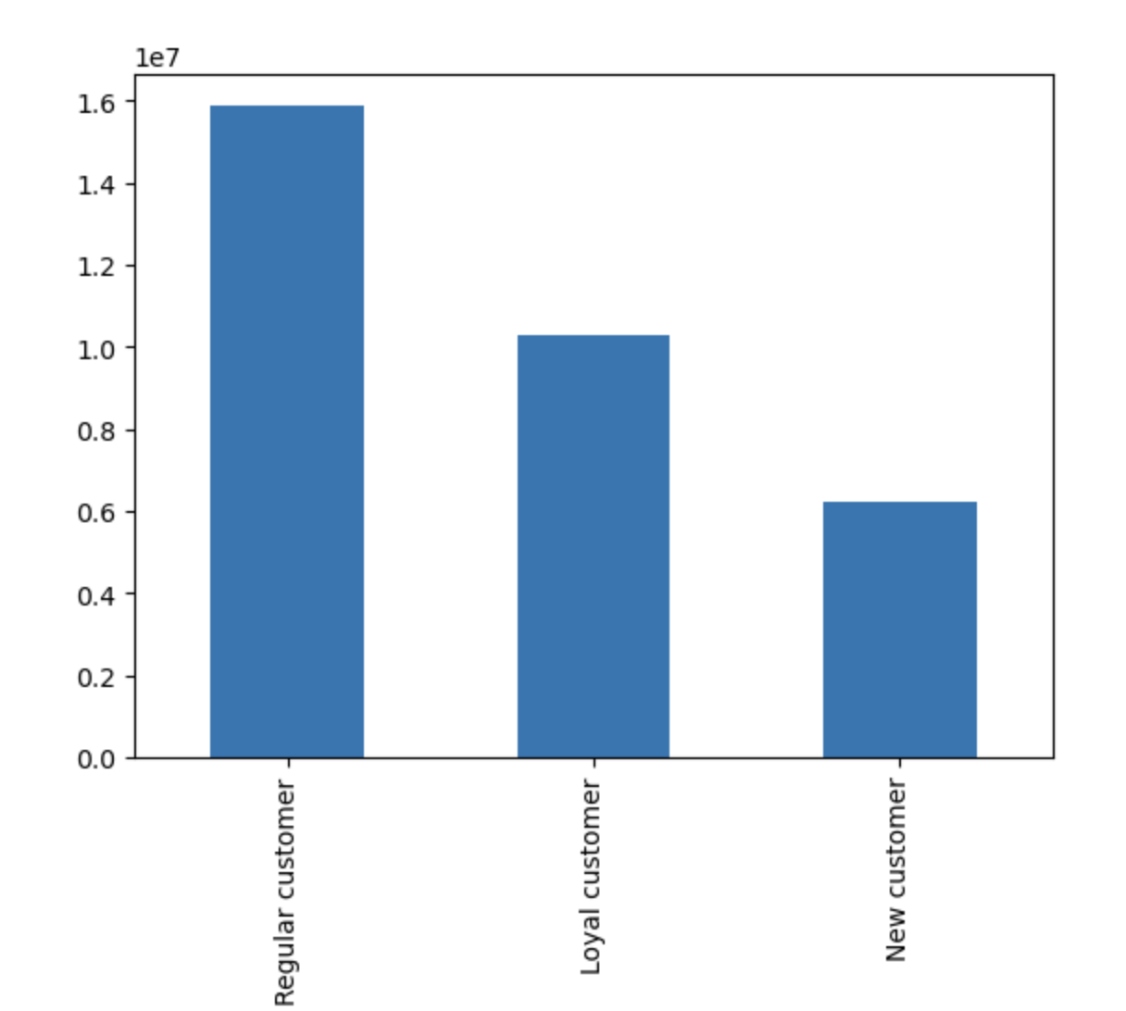
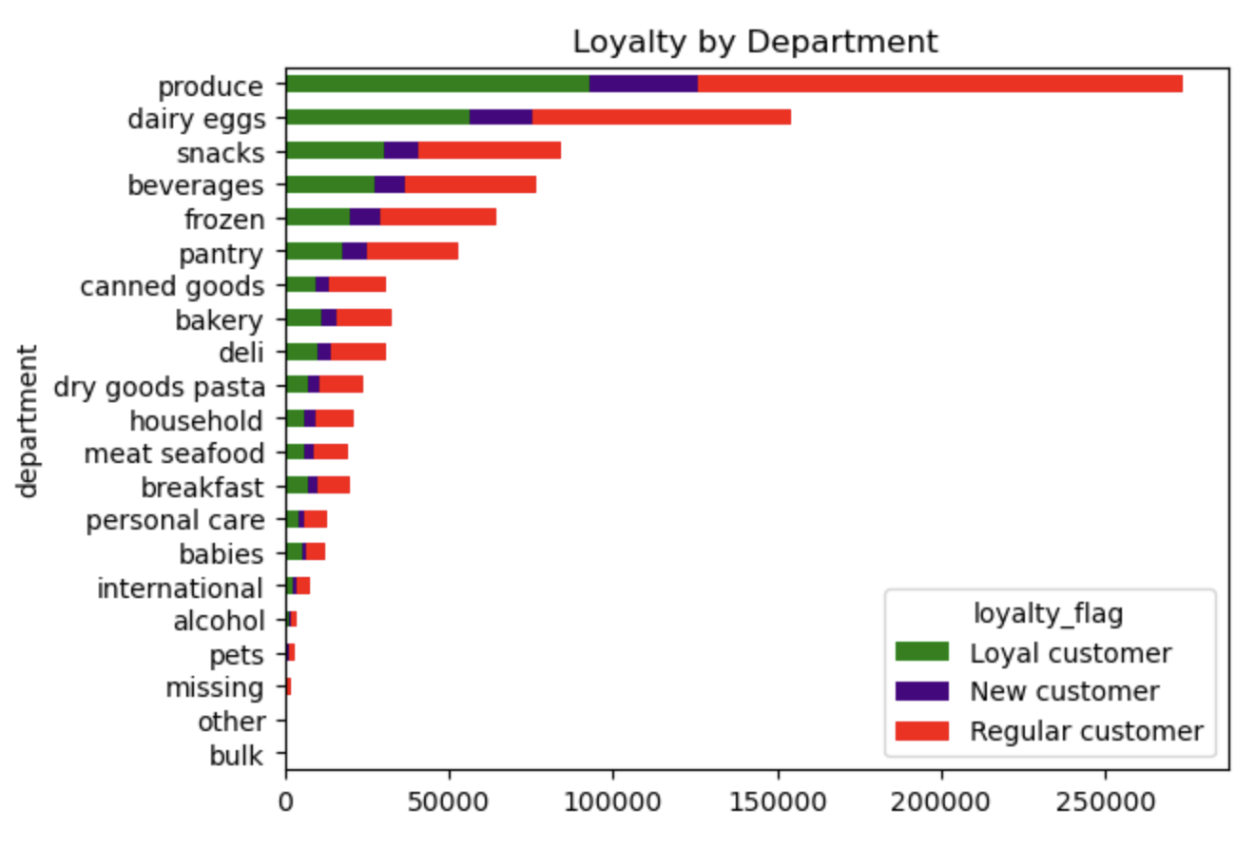

Q6. Are there differences in ordering habits based on a customer’s region?

Customer ordering habits vary by region with the South region having the most orders placed. Followed by the West,Midwest and Northeast regions. |  |  |  | The south region is mostly made of Middle-Aged customer demographic and that is true for all other regions.

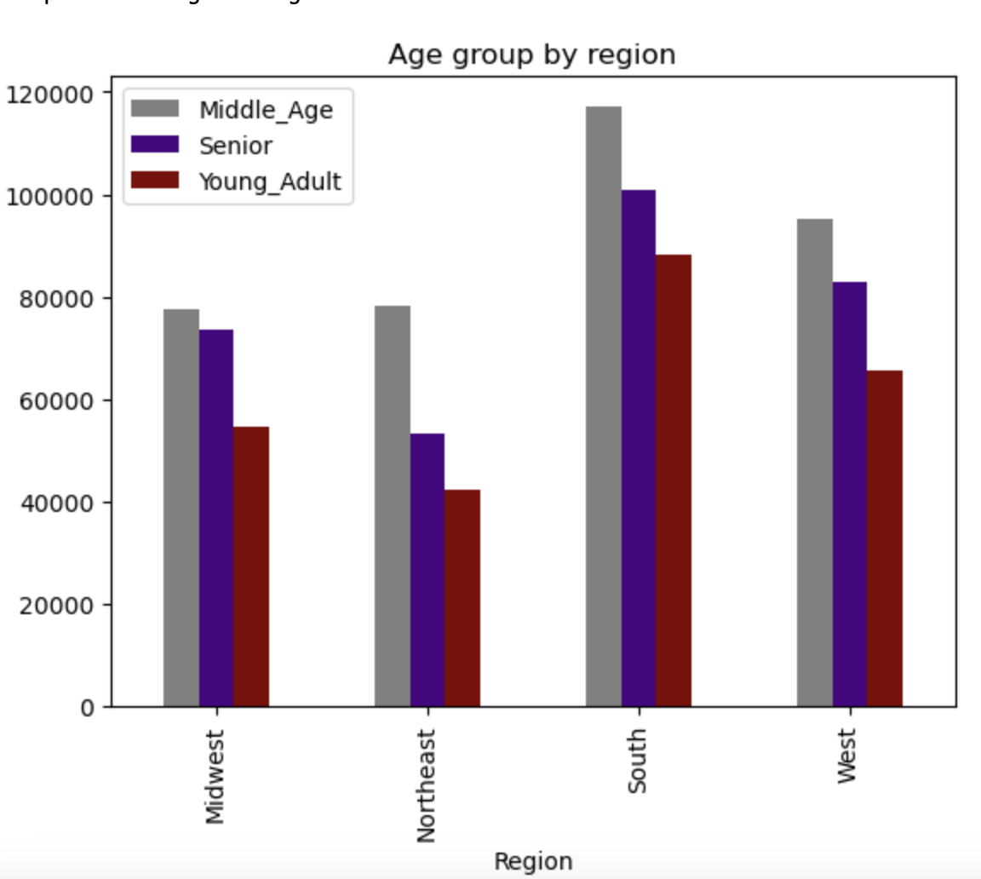

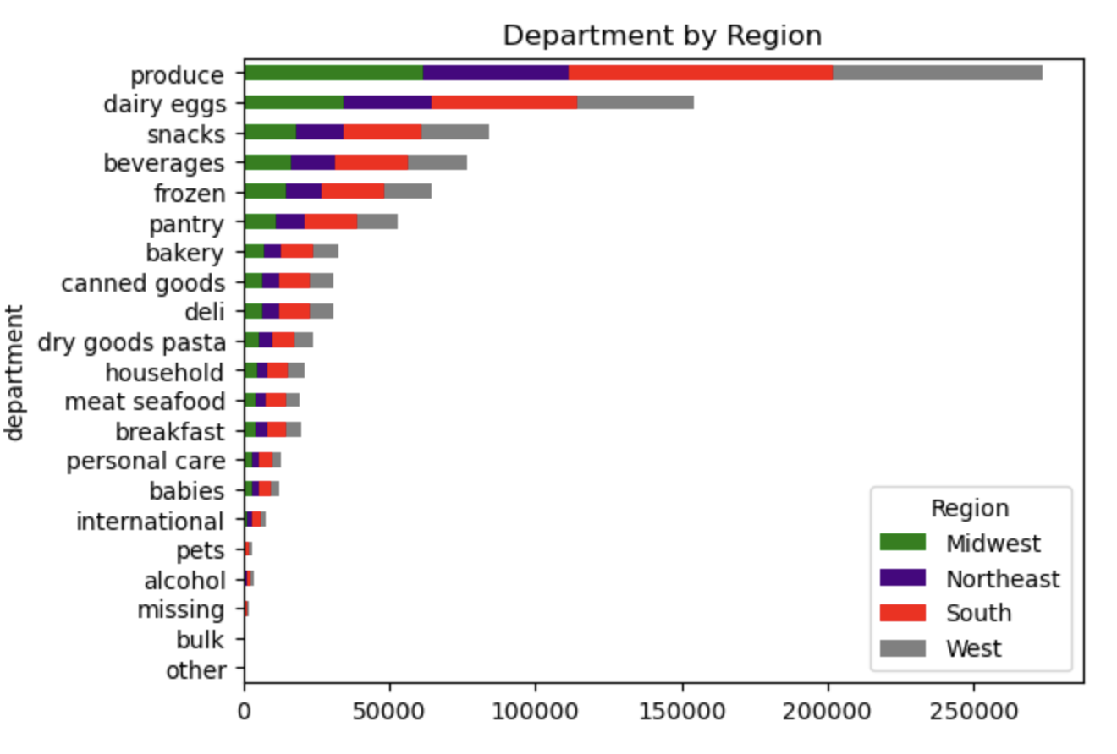

Q7. Is there a connection between age and family status in terms of ordering habits?

The chart indicates that Married couples with dependants have the largest customer base. The |  |  |  | The Middle_age customer (34 to 64 years old) make the highest orders compared to the other customers dmographics with Senior (65+ years) and Young_Adult (18-33 years old) having a similarity in the number of orders placed.

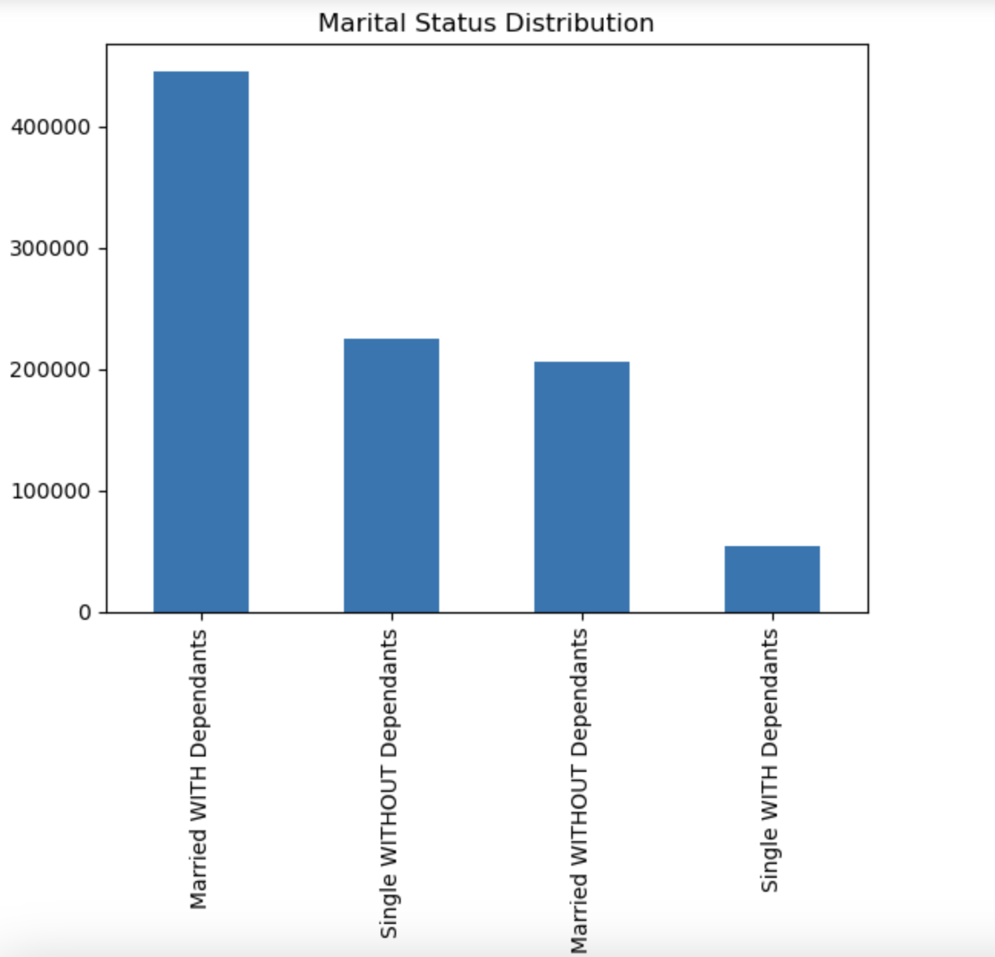

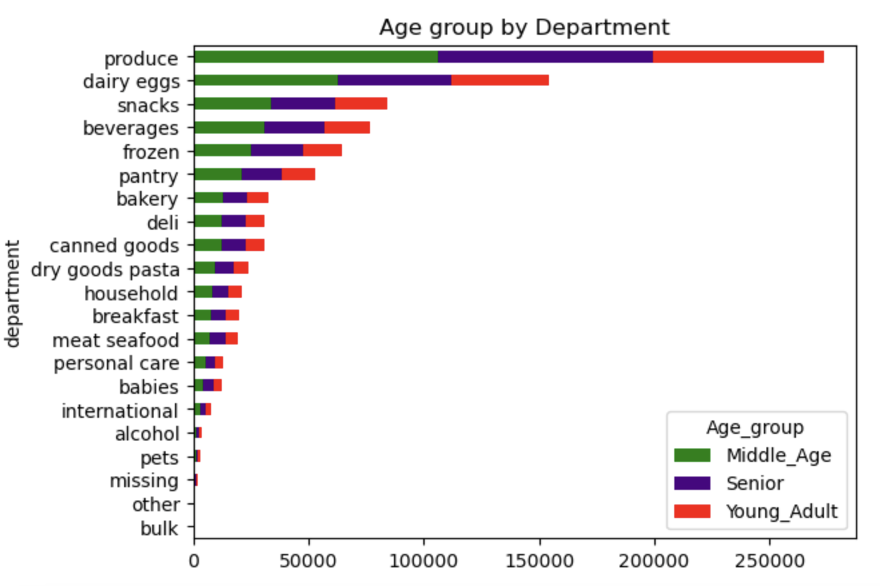

Q8. What different classifications does the demographic information suggest? Age? Income? Certain types of goods? Family status?

The bar chart suggests that Middle_Aged customers make the most orders followed by seniors and Young_Adult. |  |  | The customers medium income make most orders across all the departments and this is not surprising considering most of instacart customer base falls into the medium income class. They are followed by Low income and High income customers. |  |  |  | Married customers with dependants are observed to be making most orders in the produce,dairy-eggs and snacks departments. They do also make the most orders and the rest of the departments.

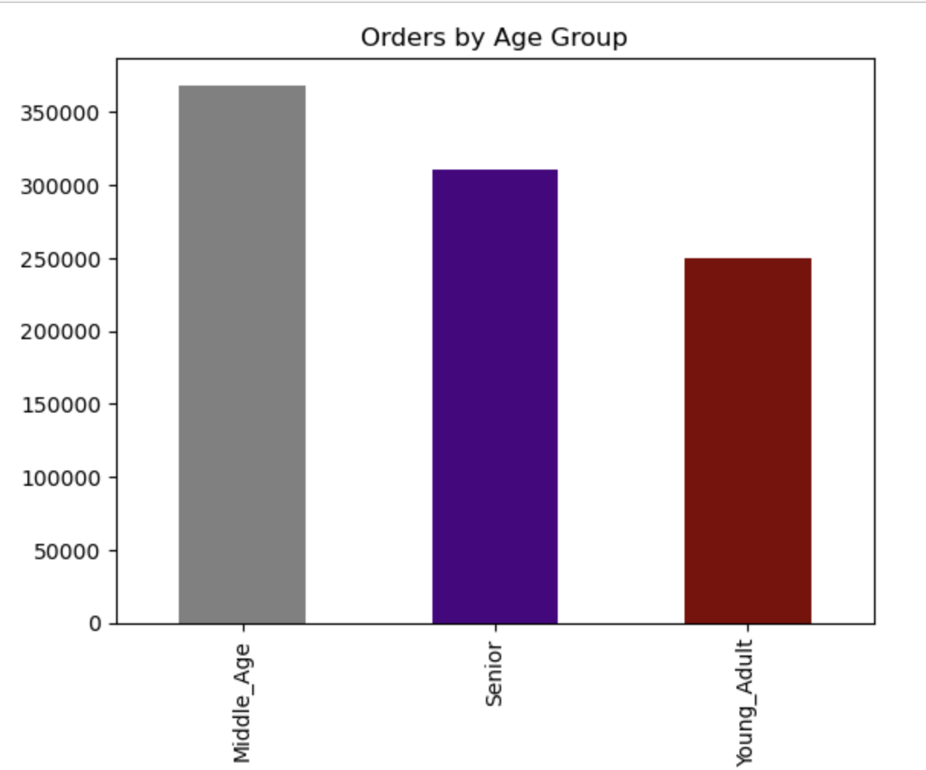

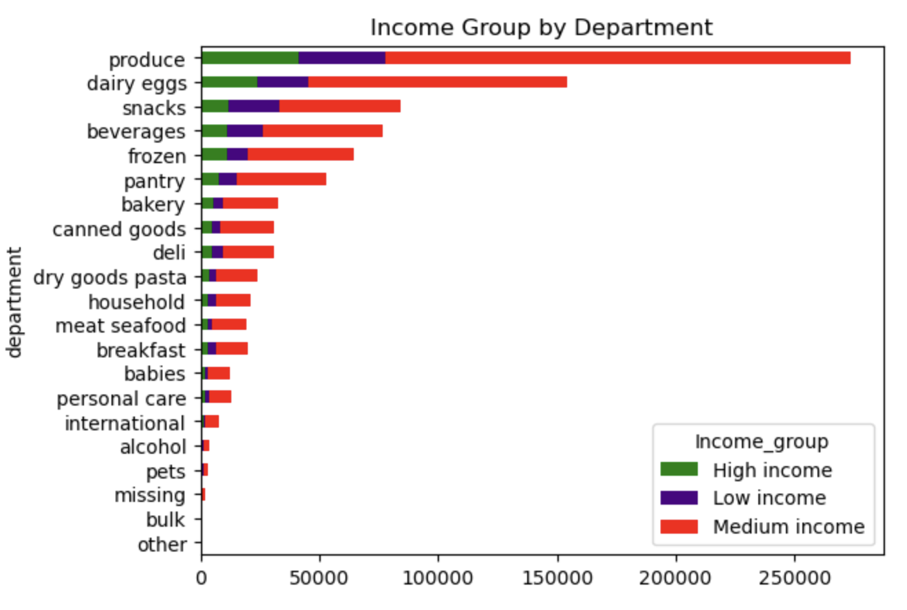
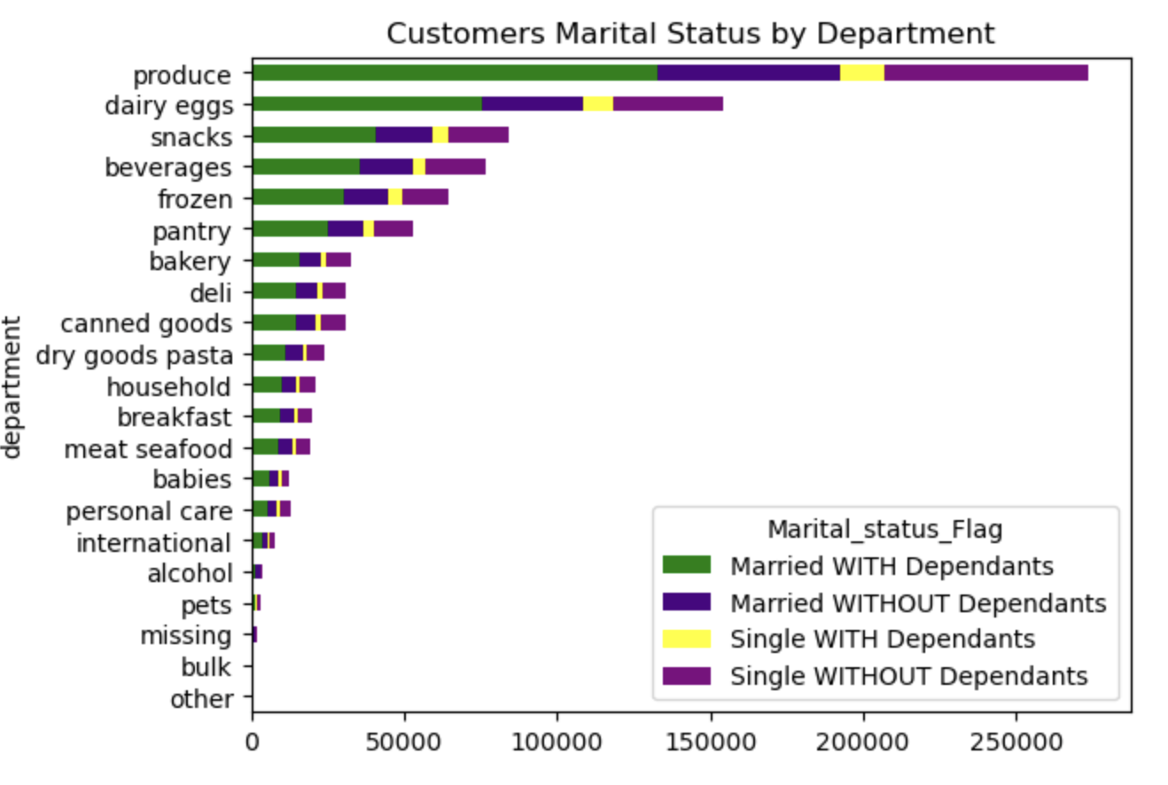

The chart below displays the income by region and we can note that the South region clearly leads the remaining regions in Middle_income group. The west region follows with a slight lead from the Midwest and Northeast region.

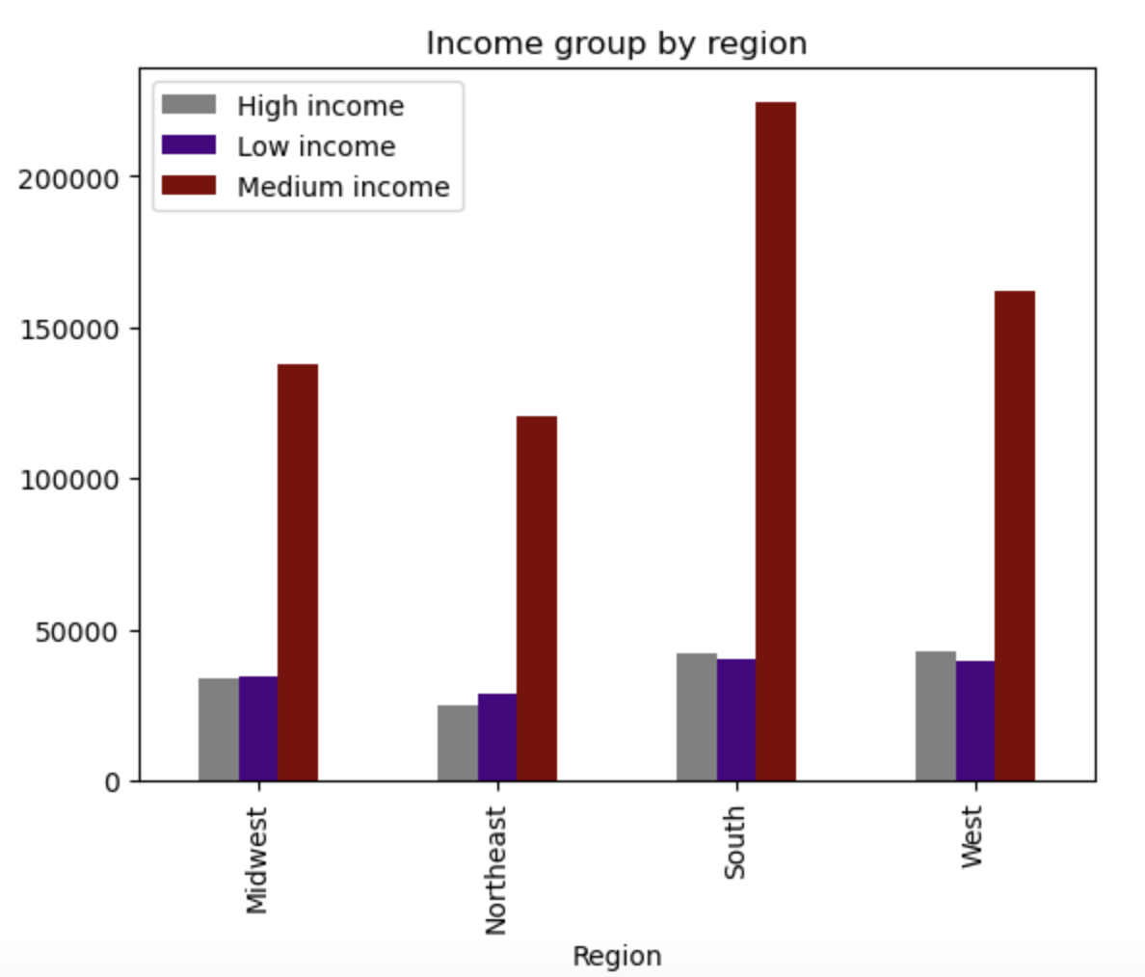

Q9. What differences can you find in ordering habits of different customer profiles? Consider the price of orders, the frequency of orders, the products customers are ordering, and anything else you can think of.

 |  |  |  |  |  | The histogram indicates tha income starts from a range of from 25 thousands to a little over 300 thousands yearly.The majority of customer have an income of roughly 100 thousands. This prompted us to group them into three income groups as follows (25-75 Thousands - Low Income, 75-150 Thousands - Middle Income, 150 thousands and over - High Income).
The majority of the customer base are low spenders regardless of their marital status as indicated in the chart below. |  | The regular customers overspent loyal and new customer in a significant way. The all however fall into the low spender category.

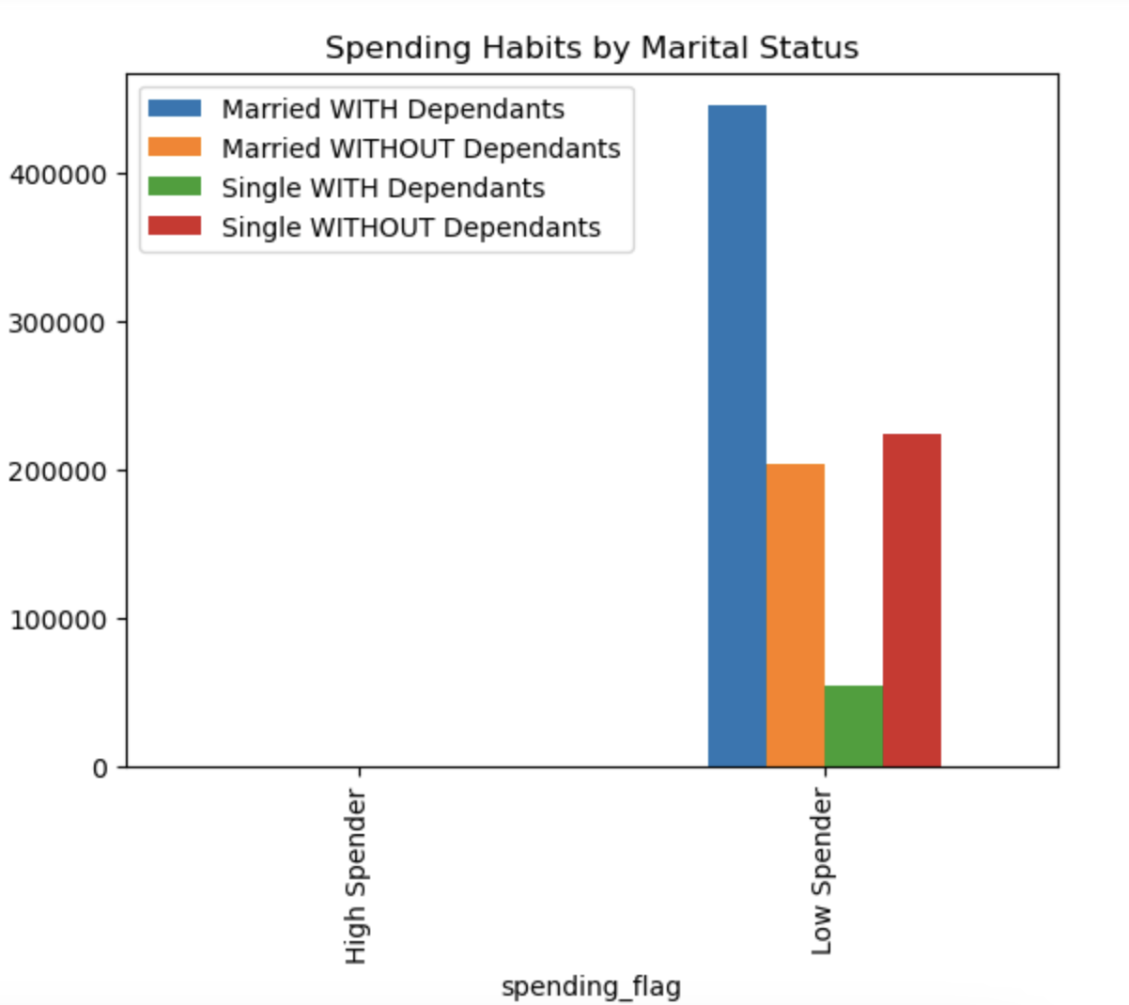
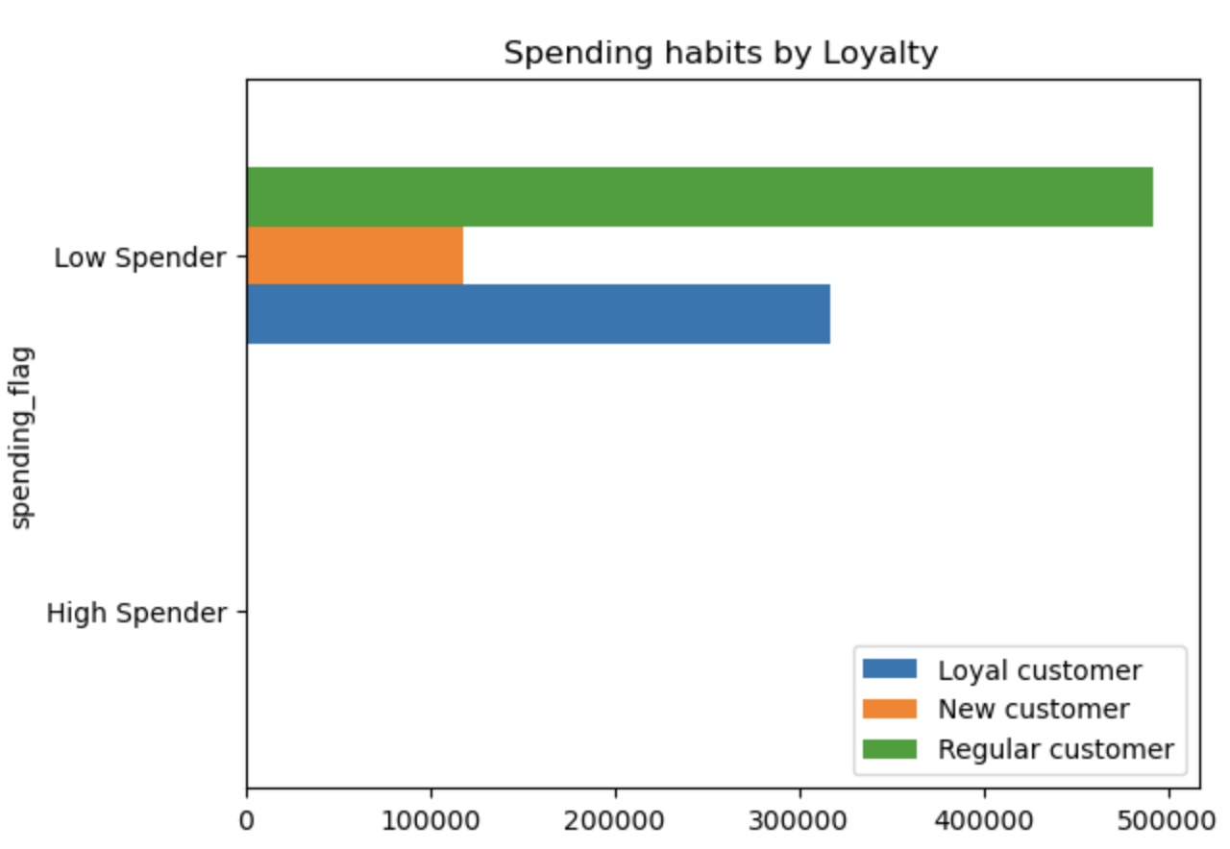
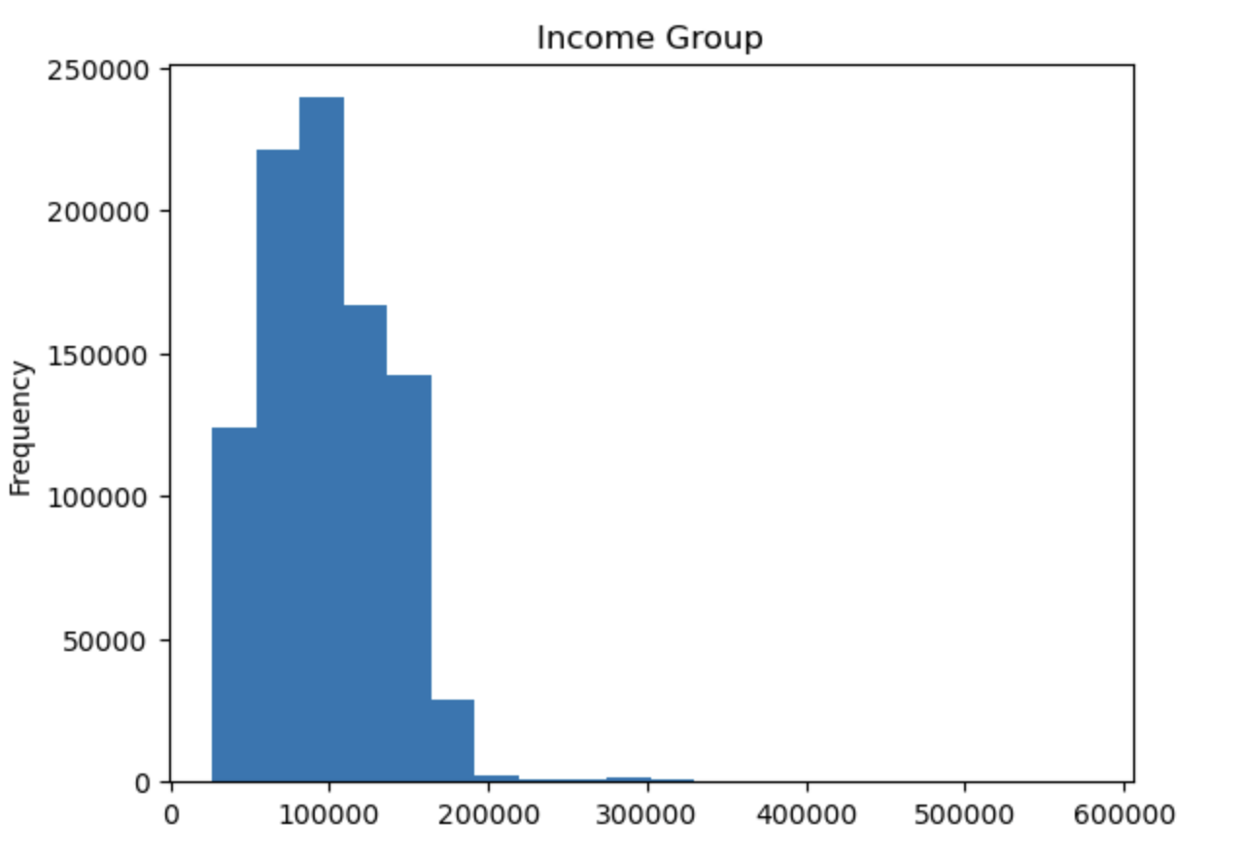

Some of ordering habits by differents customer profiles are already addressed above as well as products being ordered by customers.

7. Recommendations
Recommendations

In this tab you should include any recommendations you would made to Instcart in terms of their marketing strategy based on the questions posed in the brief. Every key question has been covered in the Tasks of the Exercises - here you need to add an item - a visualisation or table/crosstable that is showing the answer in the data, acompanied by a comment from you. Please, list the questions below and add the answer underneath.

Questions
Key Question 1: What are the busiest days of the week?

Legends
0 - Saturday
1 - Sunday
2 - Monday
3 - Tuesday
4 - Wednesday
5 - Thursday
6 - Friday

Findings: The busiest days of the week are Saturday, Sunday followed by Friday. The remaing days (Monday,Thursday,Tuesday and Wednesday) are least busy days in contrast with the weekend days.

Recommendation: The sales team could create some insentive for the customers on the least busy days like No-delivery fees on certain days, or discounts on certain items. This could incetivise customers to place more orders on those days as they would be saving some money. The sales team could also create a rewards methods that could double their eraned rewards on the least busy days.

Key Question 2: Are there particular time of the day where people spend the most money?

Peak hours
 | Legends 0 - 12 AM 5 - 5 AM 10 -10 AM 15 - 3 PM 20 - 8 PM The legends are grouped in 5 bins. 24 total hours of the day.

Findings: The peak hours of the day are the early hours of the day, however the most money is spent between 02 and 05 AM. We also got insight that the most orders are made between the late morning hours until 4PM with the orders starting to slow down again after 5 PM.

Recommendation: Having this insight in hand, the sales team could send out targeted advertisment emails about reduced item prices, hot deals at specific hours and any upcoming deals and new items coming. This method could increase customers activity on the app. This would result in more orders placed .

Key Question 3: Instacart has a lot of products with different price tags. Can a price range groupings to help direct our efforts.

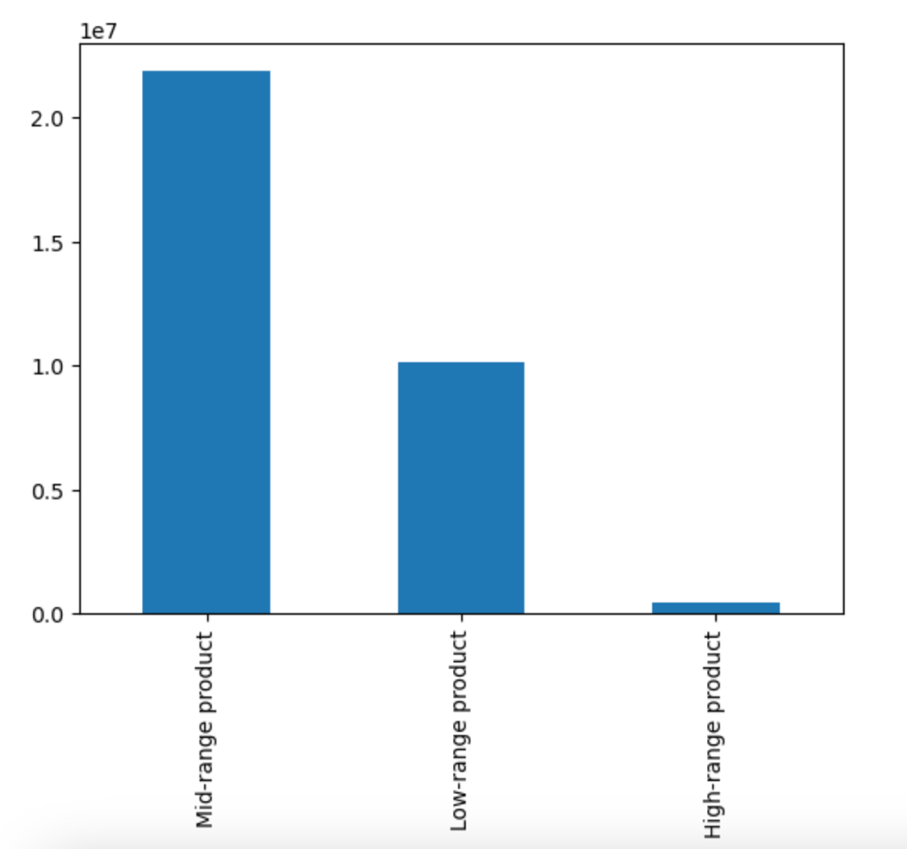

Findings: The majority of items being sold are under the price range of $15. Items costing $15 and higher are sold in very few quantities. We grouped th price in 3 ranges as follows: Low-range product is <= $5, "Mid-range product is > $5 and <= $15, High range" is > $15. The price range grouping highllighted that most products being sold fall under the mid-range category.

Recommedation: The sales and marketing team could put up an advertising strategies focused on increasing and promoting the sales of items that are $15 and more to increase their sales. Secondly these items could placed on sales and discount to improve the stock rotation in cases where these items could perishables. This method could be helpful in freeing up a lot of storage space. If these methods don't works, the sales team could then move onto stocking these items on an as needed basis. We could analyzise these items more to see if they only get ordered during a certain period of the year.

Key Question 4: Are there certain types of products that are more popular than others? Which departments have the highest frequency of product orders.



Findings: Produce products are the highest selling category with a significant margin over other products followed by the dairy-eggs and snacks. This is consistent with the fact that the top 3 selling department are purchased the most by married people with dependants.

Recommendation: Produce being the best selling department is expected as this include a diverse variety of items such as all vegetables, fruits and more. However these items all have a short shelf time life therefore it is important that we move their inventory on a timely manner to avoid a loss. We could also enourage our customers to opt for the frozen vegetable by promoting it more because these last longer and could stay on a shelf for an extended time.

Key Question 5: What’s the distribution among users in regards to their brand loyalty? Are ordering habits different based on a customer’s loyalty status?

Findings: There are 15876776 Regular customer making up 48.9% of the customer base. The Loyal customer comes in second place wih 10284093 customer count accounting for 31.7% of the customer base. In last place as expected comes the new customers with a 6243990 customer count making up 19.2% of the customer base. The Regular customers make the most orders in all the departments as to expected by their large customer base count. They are followed by Loyal and new customers respectively.

Recommendation: The marketing team should create more incetives categories by customers loyalty, Like a reward program that is exclusively for Loyal customers and same for the others. This would encourage the Regular customer to become Loyals and earn those exclusive perks as well increasing the retention rate of our new customers. On top of exlusive rewards, we could also target different customer groups with ads specifically carted to for them.

Key Question 6: Are there differences in ordering habits based on a customer’s region?

Findings: Customer spending vary by regions as seen on the charts. The South region placed more orders in each department compared to the other regions. In second place come the West region followed by the Midwest and Northeast region. The south region also has the higher proportion of Medium income earners as well as Middle_Aged customers.

Recommendation: As observed, orders vary by region with the most orders being made from the south region. The sales and marketing team should focus on making promotions for the Shouth region. Efforts should be made to advertise instacart in all the other regions with less orders to increase the overall orders placed.

Key Question 7: Is there a connection between age and family status in terms of ordering habits?

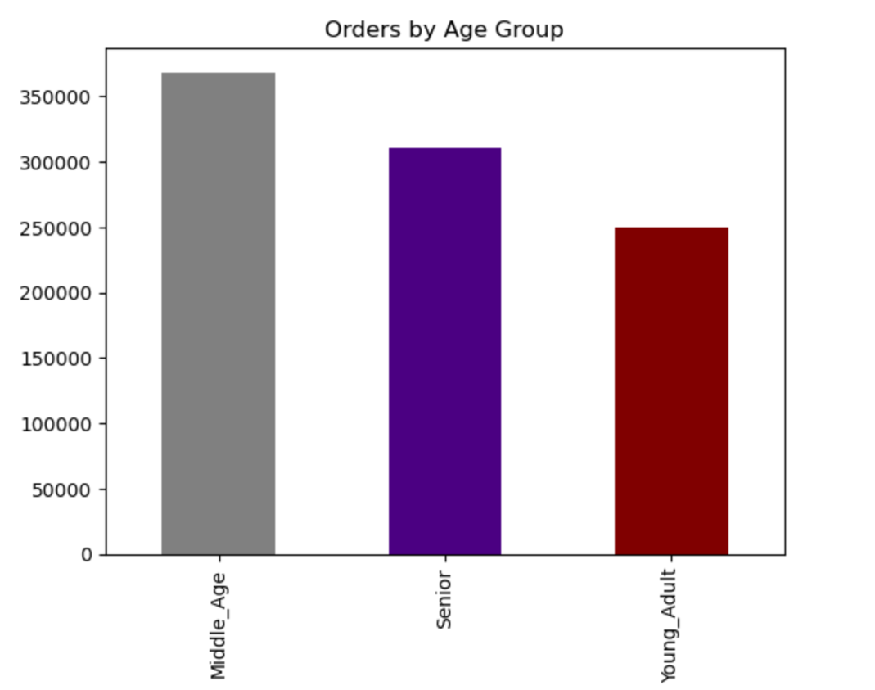

Findings: The Middle_age customers (34 to 64 years old) make the highest orders compared to the other customers dmographics with Senior (65+ years) and Young_Adult (18-33 years old) having a similarity in the number of orders placed. Middle _Aged customer also make most orders across all departments.

Recommendation: Middle Age customers make the most orders, significantly higher that the other age groups. The design team should find ways to make the app more interactive and accessible to all age groups. This includes making a better design and improving on the app perfomance to grab interest of the Young Adults.

Key Question 8: What different classifications does the demographic information suggest? Age? Income? Certain types of goods? Family status?

Findings: The customers medium income make most orders across all the departments and this is not surprising considering most of instacart customer base falls into the medium income class. They are followed by Low income and High income customers.Married customers with dependants are observed to be making most orders in the produce,dairy-eggs and snacks departments. They do also make the most orders and the rest of the departments.

Recommendation: We have insight that most of our orders are placed by customers with dependants. We could create discounts and ads that would incentivize families to buy our items in bulk as these would make their shopping experience more effective and we would be their one stop for all shopping place. We could send out targeted adds cartered spefically for famillies.

Key Question 9: What differences can you find in ordering habits of different customer profiles? Consider the price of orders, the frequency of orders, the products customers are ordering, and anything else you can think of.

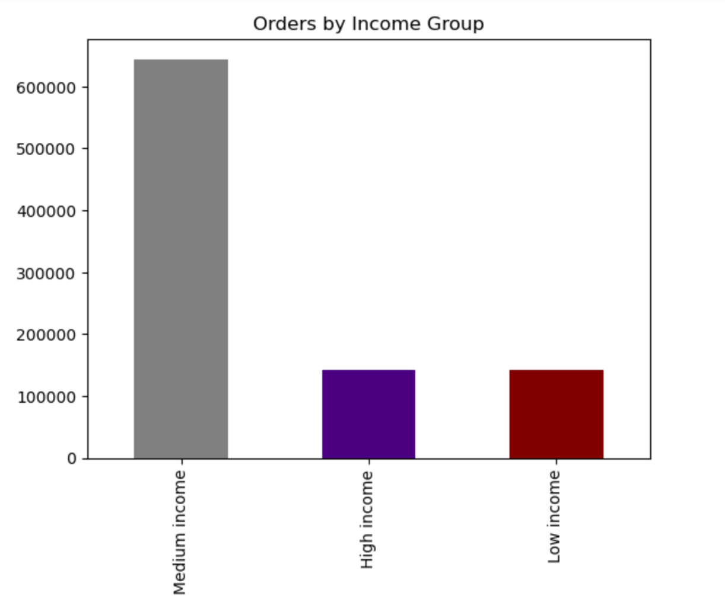

Findings: The majority of the customer base are Low spenders regardless of their marital status as indicated in the chart above. We also noted that regular customers spent more than loyal and new customer in a significant way. However they all fall into the low spender category. Insight from the salary category indicates that the income range is between 25 and a little over 300 thousands dollars with majority of customer having an income of roughly 100 thousands. The medium income group placed the most orders.

Recommendation: The customers that are in the middle income earning category make a signfificant proportion of orders placed. We should focus on improving the quality of our mid range product as these are also the mostly purchased. Creating a healthy balance in our pricing and product pricing will increase our customer retention rate. We could find way to increase sells of the high priced items.

